Application Screen
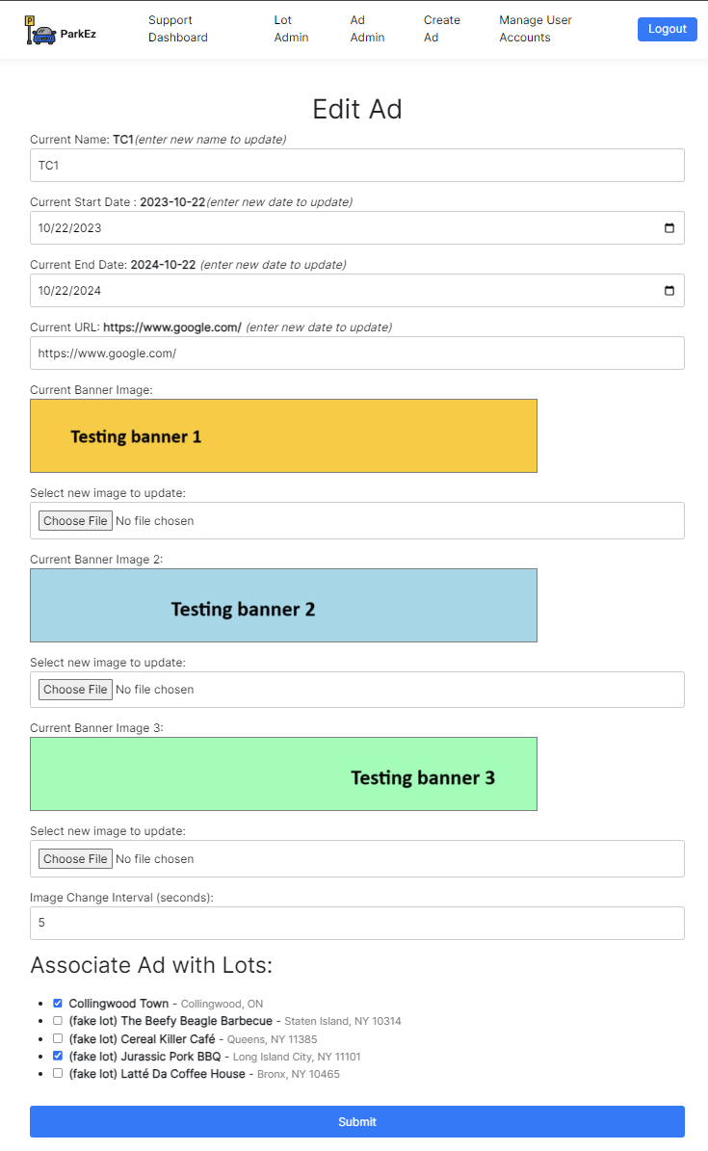

Test Case 5
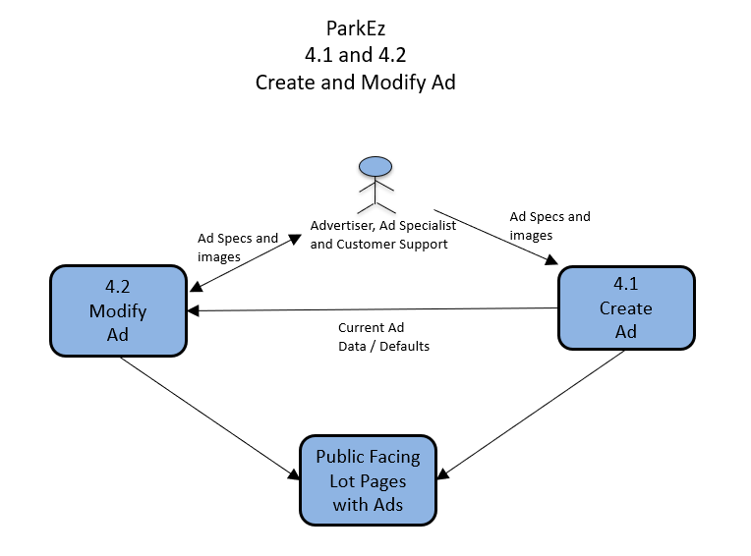
TC Title: | TC5. Data Flow In

TC Objective: | Confirm that when you go to modify an ad the correct data populates the form

TC Description
 | Step | Step Description | Expected Results
 | 1 | Login using Advertiser default testing acccount (email: advertiser@example.com, password: 123) | You should see the Advertisor Dashboard and all the ads associated with the account on the Dashboard.
 | 2 | Pick a existing test ad and put it in view in your screen, take a screenshot of the data using your operating system's screenshot function (e.g. in Windows press "print screen" and paste the image to MS Paint) for reference. | You will have a screenshot of data that will be going into Modify Ad for the next step.
 | 3 | Click "(edit)" next to the ad in the dashboard and carefully match the data from your screenshot to the data that populates the Modify Ad form. | You should see a Modify Ad form with all the current data visible. Confirm the data matches the previously screenshotted data.

